Calculations
Created by Ankan Basu, CPG; Hydrogeologist; contact admin@coalgeology.com
Problem: Porosity, Effective Porosity, Density, Saturation
Supplied Parameters from a lab report |  |  |  |  | Change Data | Change data within the cell to reflect your lab analysis.
Volume of moist sand specimen | Vt | 72.50 | cc | Lab analysis
Weight of specimen (Mass!) | Wt (Mt) | 152.00 | g | Lab analysis |  | Note: In reality, weight would have a unit of "NEWTON"
Sample dried for 24 Hr at 105 C
Dry volume of specimen | Vd | 71.20 | cc | Lab analysis; not used in any calculations; you can check %volume reduction with this info
Dry Weight of specimen (Mass!) | Ws (Ms) | 145.00 | g | Lab analysis |  | Note: In reality, weight would have a unit of "NEWTON"
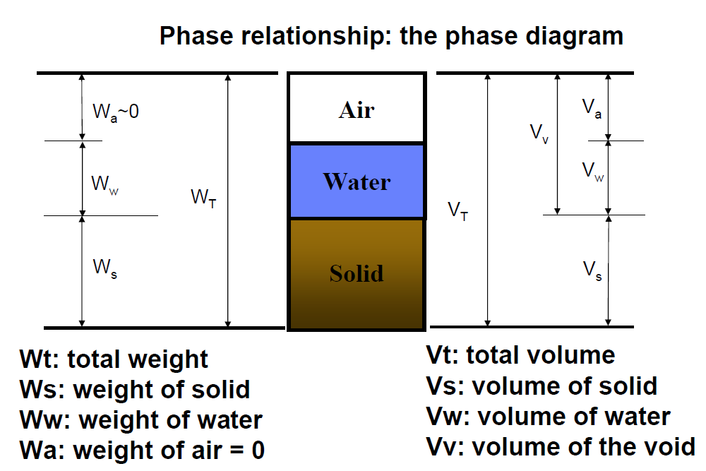

BASIC PARAMETERS TO CALCULATE BEFORE ESTIMATING ANYTHING ELSE
Total Weight of Sample (Wt) | Wt | 152.00 | g | Wt=Ws+Ww
Weight of Solid (Ws) | Ws | 145.00 | g
Weight of Water (Ww) | Ww=Wt-Ws | 7.00 | g
Weight of Air (Wa) | Wa=0 | 0.00 | g
Total Volume of sample (Vt) | Vt | 72.50 | cc | Vt=Vs+Vv=Vs+Vw+Va
Volume of Solid (Vs) | Vs=(Ws/Ds) | 54.72 | cc | Note: Assumption required for solid density |  |  |  |  |  | Density of slid | Ds | 2.65 | g/cc
Volume of void (Vv) | Vv=Vt-Vs | 17.78 | cc
Volume pore space with water (Vw) | Vw=(Wt-Ws)/Dw | 7.00 | cc | Note: Assumption required for H2O density
Volume of pore space with air (Va) | Va=Vv-Vw | 10.78 | cc
 |  |  |  |  |  |  |  |  |  | Density of Water | Dw | 1
Volume of voids can be found using the three phase diagram or a water displacement test (which is also used to calculate effective porosity)
Calculated Parameters (notice the relationship between Specific Weight, Specific Gravity and density)
Specific Weight of sample | Wt/Vt | 2.10 | NO Unit | Same as | Density | Mt/Vt | 2.10 | g/cc | Same as | Specific gravity | D/Dw | 2.10 | NO Unit
Dry specific weight of sample | Ws/Vt | 2.00 | NO Unit | Same as | BULK Density | Ms/Vt | 2.00 | g/cc | Same as | Dry Specific Gravity | Dd/Dw | 2 | NO Unit
Check
Specific weight of SOLID | Ws/Vs | 2.65 | NO Unit | Same as | Particle Density | Ms/Vs | 2.65 | g/cc | Same as | Specific gravity of solid | Ds/Dw | 2.65 | NO Unit
Note: Particle density is an average of the densities of all present minerals. Aquifer minerals are mostly composed of quartz and feldspars. So, 2.65 g/cc is normally assumed for particle density in most projects. Dry volume is NOT the volume of the solids.
 |  |  | %
Porosity of the sample (n) | n=Vv/V | 0.25 | 24.53
Void Ratio ( e ) | e=Vv/Vs | 0.32 |  | Note: For a same material, e>n
Void Ratio ( e ) | e=n/(1-n) | 0.32
Moisture Content (w) | w=Ww/Ws | 0.05 | 4.83
Saturation Index (SI) | SI=Vw/Vv | 0.39 | 39.36

Check
Porosity (n) | n=e/(1+e) | 0.25 | 24.53

Total unit weight | Wt/Vt
Dry Unit Weight | Ws/Vt
Moisture Unit Weight | Wt/Vt

Water Displacement Test
Effective Porosity (Nef)
Effective porosity is the volume of interconnected voids that allows free water flows divided by total volume of the specimen.
Step 1: Dry Sample
Step 2: Submerge sample into water (say 500 cc) and left it immersed until saturated.
note: Chamber must be sealed to stop water evaporation.
Step 3: Remove sample after complete saturation is achieved; measure volume of remaining water in the container.
So,
Volume of original container | 500 | cc
Volume of container after sample saturation achieved | 483.5 | cc
Volume of interconnected voids | 16.5 | cc
Effective Porosity | 0.23 | 22.76

3 Phase Diagram
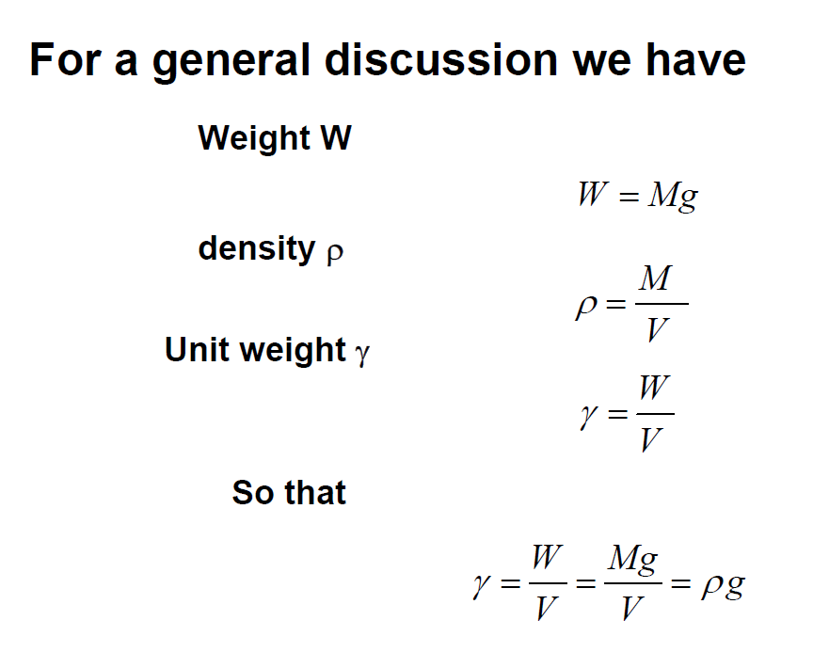
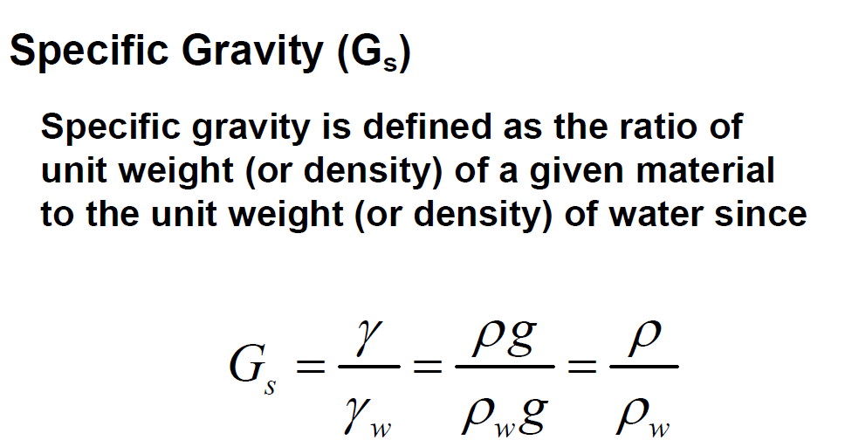

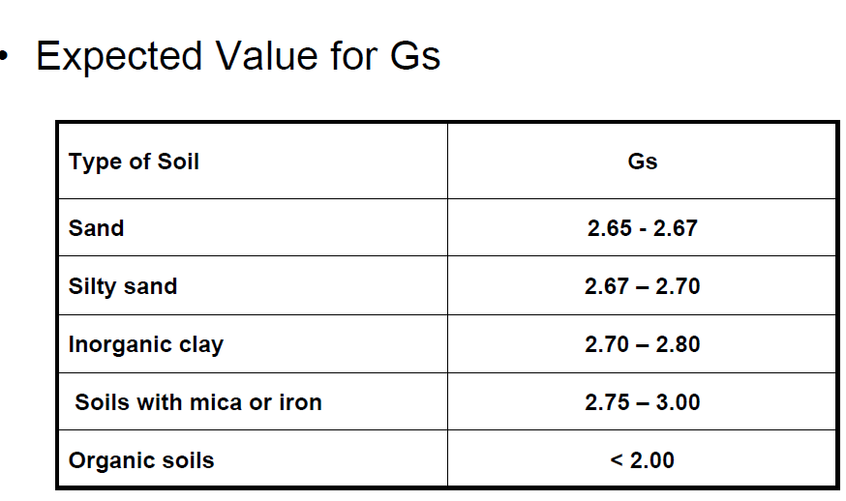
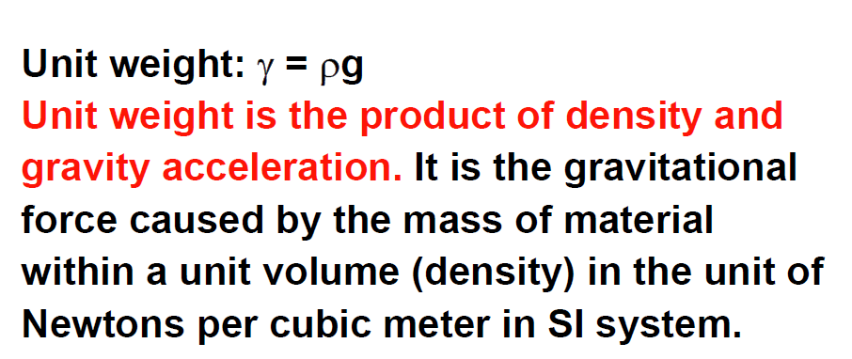

Unit Weights
