Constant Head
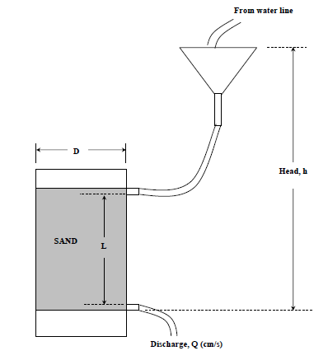
ASTM D 2434 - Standard Test Method for Permeability of Granular Soils (Constant Head) (Note: The Falling Head Test Method is not standardized)

Material Type | Coarse Sand |  |  | Find
Test Type | Constant head permeameter |  |  | Hydraulic conductivity for water as test fluid
Fluid Type | Water |  |  | Hydraulic conductivity for gasoline at 18oC
Temperature | 23oC |  |  | Provided, kinematic viscosity of gasoline at 18oC is 6.5x10^-7 m2/s)

 |  |  |  | Q=K.A.h/L
Inside diameter of sample tubing | 4.8 | cm |  | K=(Q*L)/(A.h)
Length of sand sample, L | 15.2 | cm |  | K=Q/(A*i) | i=h/L
Area, A | 18.10 | sq. cm |  | K=v/i | v=Q/A | v=Velocity, not Volume (V)

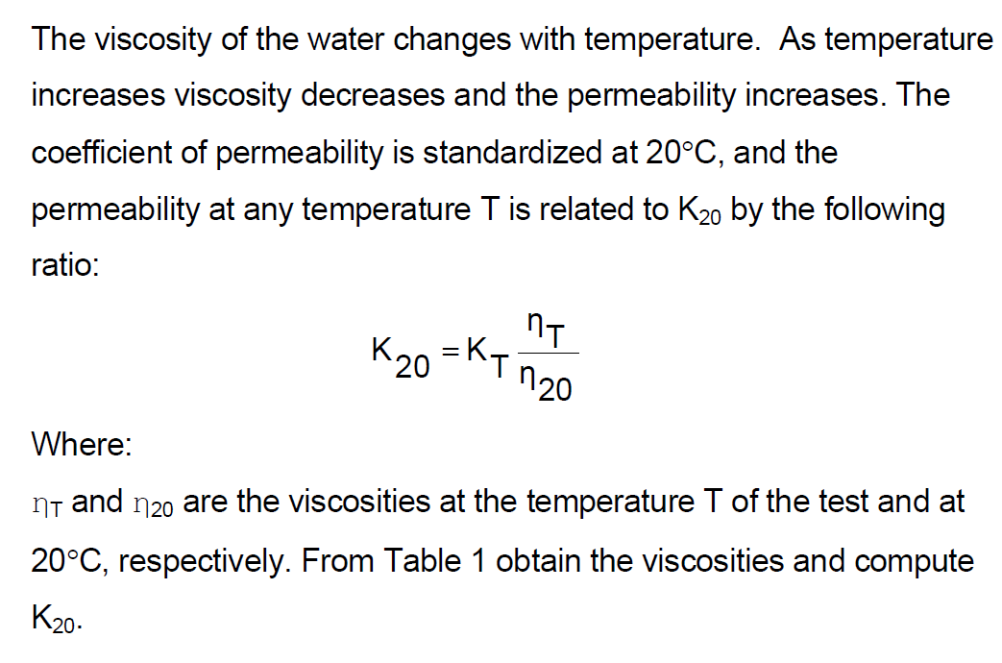
 | Test | Head difference, h (cm) | i=h/L | Volume, V (cc) | Time, t (sec) | Q=V/t (cc/s) | v=Q/A | K=Q/(A*i)
 | 1 | 5 | 0.329 | 4 | 125 | 0.032 | 0.0018 | 5.37E-03
 | 2 | 6 | 0.395 | 3.5 | 92 | 0.038043478261 | 0.0021 | 5.32E-03
 | 3 | 7 | 0.461 | 5 | 106 | 0.047169811321 | 0.0026 | 5.66E-03
 | 4 | 8 | 0.526 | 5.5 | 112 | 0.049107142857 | 0.0027 | 5.15E-03
 | 5 | 9 | 0.592 | 3 | 46 | 0.065217391304 | 0.0036 | 6.08E-03
 | 6 | 10 | 0.658 | 6 | 92 | 0.065217391304 | 0.0036 | 5.48E-03
 | 7 | 12 | 0.789 | 3.5 | 48 | 0.072916666667 | 0.0040 | 5.10E-03
 | 8 | 14 | 0.921 | 3 | 34 | 0.088235294118 | 0.0049 | 5.29E-03
 | 9 | 16 | 1.053 | 6 | 61 | 0.098360655738 | 0.0054 | 5.16E-03
 | 10 | 18 | 1.184 | 4.5 | 45 | 0.1 | 0.0055 | 4.66E-03
 |  |  |  |  |  |  | Average | 5.33E-03

 |  |  |  |  |  | Two types of tests are routinely performed on soils (1) Constant Head test (2) Falling Head test.
 |  |  |  |  |  | • Constant Head Permeability Test is performed on sands as the pore openings are large and hence
 |  |  |  |  |  | high permeability (k >10-4 cm/s)
 |  |  |  |  |  | • Falling head Permeability Test is performed on clays as the pore openings are small and hence low
 |  |  |  |  |  | permeability (k <10-4 cm/s)

Temperature correction:
Use viscosity correction Table
For Example, K(20)=K(23)*N(23)/N(20) | N=viscosity (poise) of water
K(23), cm/s | 4.59E-03
K(20), cm/s | 4.27E-03

Permeability (Ki)
Ki=K*u/dg |  | sq. m
K=hydraulic conductivity | 4.59E-05 | m/s |  | http://en.wikipedia.org/wiki/Permeability_(earth_sciences)
u=dynamic/absolute viscosity
d=density
g=acceleration due to gravity | 9.806 | m/s2

kinemativ viscosity (K1)=u/d | 9.40E-07 | sq. m/s | of water
Ki=K*K1/g | 4.40E-12 | sq. m
Ki=K*K1/g | 4.46 | darcies

1 m2=10,000 cm2
1 darcy= 9.87e-9

Conductivity at another medium
Ki=independent of the characteristics of the fluids flowing through the medium
K(gas)=Ki*g/Kv(gas)
Ki | 4.40E-12 | sq. m
Kv(gas) | 6.50E-07 | sq. m
g=acceleration due to gravity | 9.806 | m/s2
K(gas) | 6.64E-05 | m/s2

Constant head 2
ASTM D 2434 - Standard Test Method for Permeability of Granular Soils (Constant Head) (Note: The Falling Head Test Method is not standardized)

Material Type | Coarse Sand |  |  | Find
Test Type | Constant head permeameter |  |  | Hydraulic conductivity for water as test fluid
Fluid Type | Water |  |  | Hydraulic conductivity for gasoline at 18oC
Temperature | 23oC |  |  | Provided, kinematic viscosity of gasoline at 18oC is 6.5x10^-7 m2/s)

 |  |  |  | Q=K.A.h/L
Inside diameter of sample tubing | 6.4 | cm |  | K=(Q*L)/(A.h)
Length of sand sample, L | 17 | cm |  | K=Q/(A*i) | i=h/L
Area, A | 32.18 | sq. cm |  | K=v/i | v=Q/A | v=Velocity, not Volume (V)

 | Test | Head difference, h (cm) | i=h/L | Volume, V (cc) | Time, t (sec) | Q=V/t (cc/s) | v=Q/A | K=Q/(A*i)
 | 1 | 30 | 1.765 | 750 | 84 | 8.9285714286 | 0.2774 | 1.57E-01
 | 2 | 50 | 2.941 | 750 | 55 | 13.636363636 | 0.4237 | 1.44E-01
 | 3 | 60 | 3.529 | 750 | 48 | 15.625 | 0.4855 | 1.38E-01
 | 4 | 70 | 4.118 | 750 | 38 | 19.736842105 | 0.6133 | 1.49E-01
 | 5
 | 6
 | 7
 | 8
 | 9
 | 10
 |  |  |  |  |  |  | Average | 1.47E-01

 | Slope=K
1.765 | 0.2774
2.941 | 0.4237
3.529 | 0.4855
4.118 | 0.6133

Temperature correction:
Use viscosity correction Table
For Example, K(20)=K(23)*N(23)/N(20) | N=viscosity (poise) of water
K(23), cm/s | 4.59E-03
K(20), cm/s | 4.27E-03

Permeability (Ki)

Falling Head
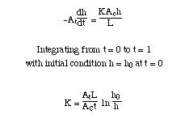
Material Type | Coarse Sand
Test Type | Falling head permeameter
Fluid Type | Water
Temperature | 23oC

Inside diameter of sample tubing | 4.8 | cm
Length of sand sample, L | 15.2 | cm
Area, Ac | 18.10 | sq. cm

Inside diameter of Burette | 2 | cm
Area, At | 3.14 | sq. cm

Lab Data
h0 (cm) | 48 | 50.5 | 59 | 60 | 50 | 49 | 55 | 52 | 60 | 65
h1 (cm) | 42.5 | 44 | 50.5 | 47 | 35 | 32 | 37 | 45 | 49 | 47
h0/h1 | 1.13 | 1.15 | 1.17 | 1.28 | 1.43 | 1.53 | 1.49 | 1.16 | 1.22 | 1.38
time (sec) | 422 | 461 | 505 | 781 | 1162 | 1423 | 1270 | 421 | 644 | 1000
K (cm/s) | 7.61E-04 | 7.89E-04 | 8.13E-04 | 8.25E-04 | 8.10E-04 | 7.90E-04 | 8.24E-04 | 9.06E-04 | 8.30E-04 | 8.56E-04

Forms
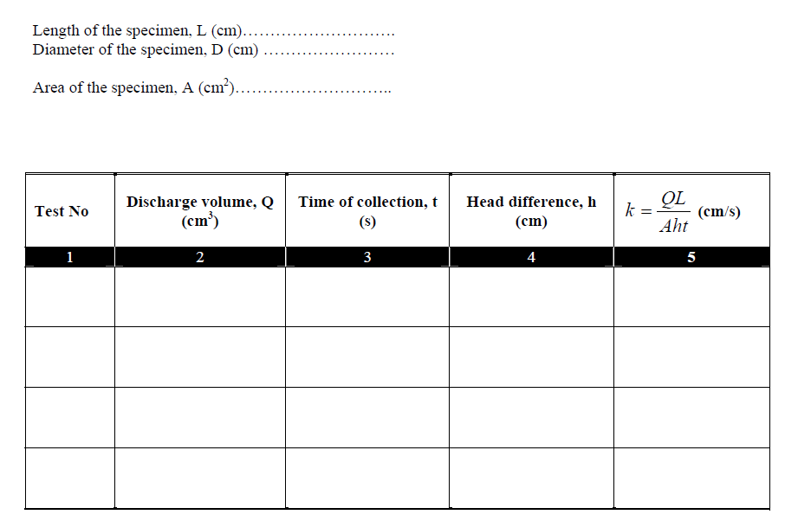

See any problem? May be nomenclature confusion?

Common K
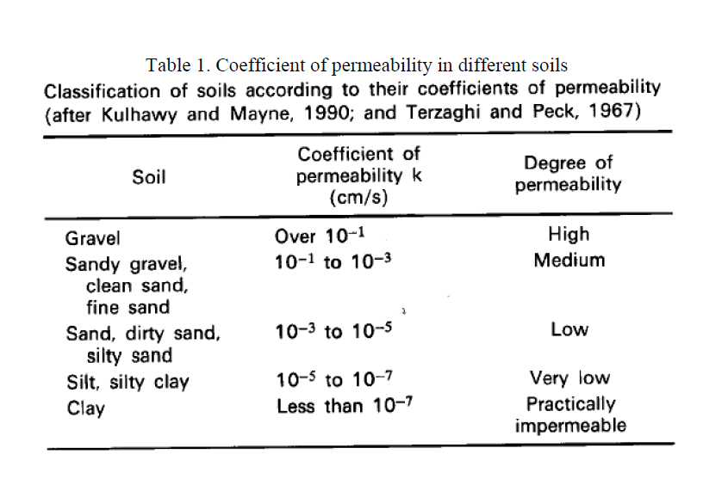

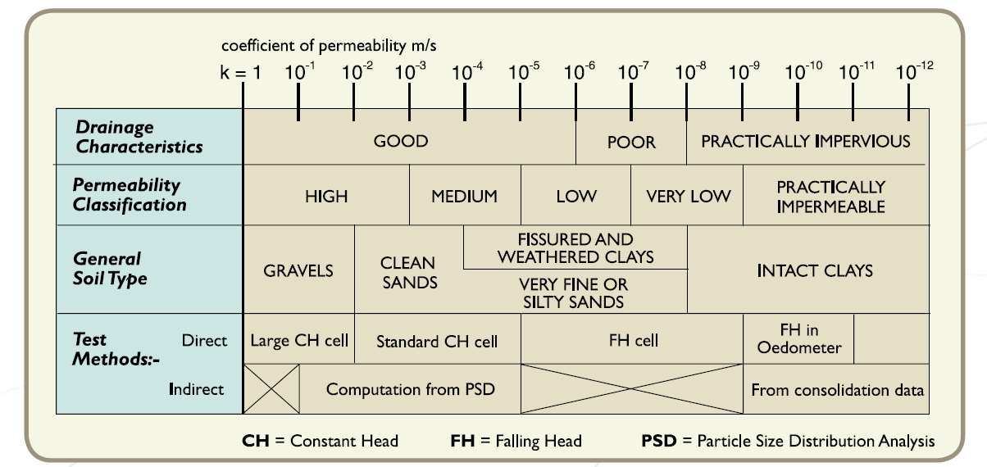

Viscosity Correction Table
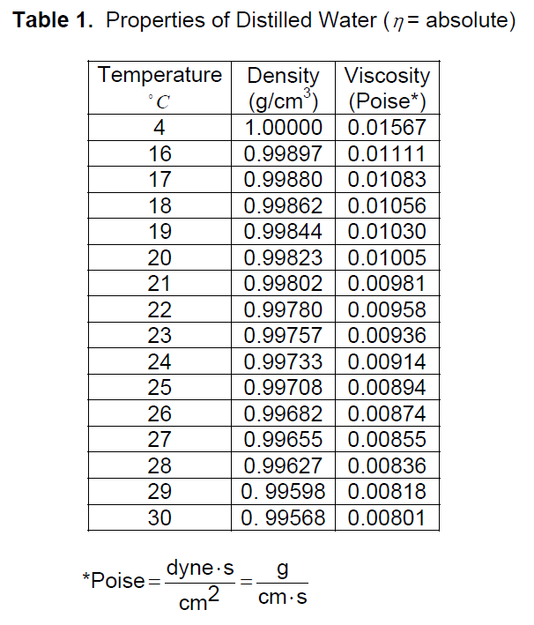

Permeability Table
